Demo Bid - DDD
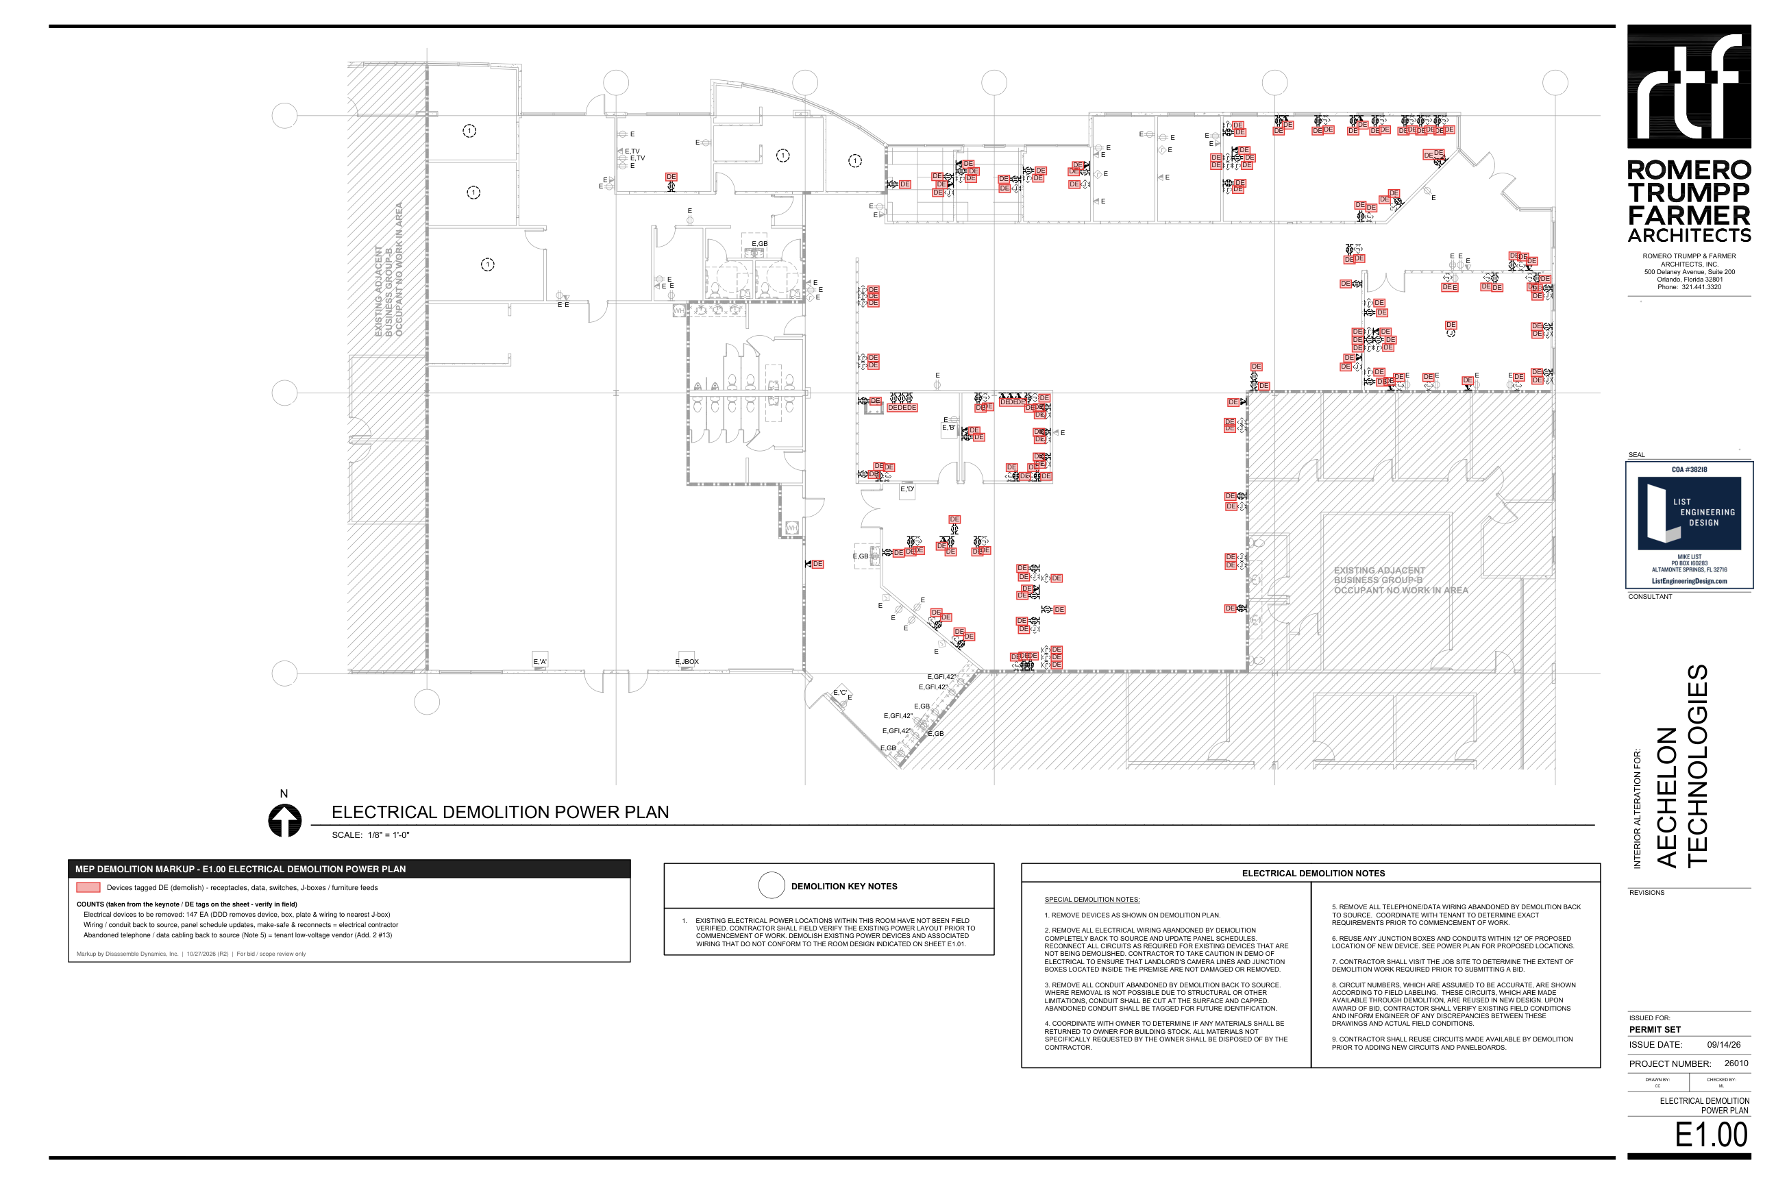
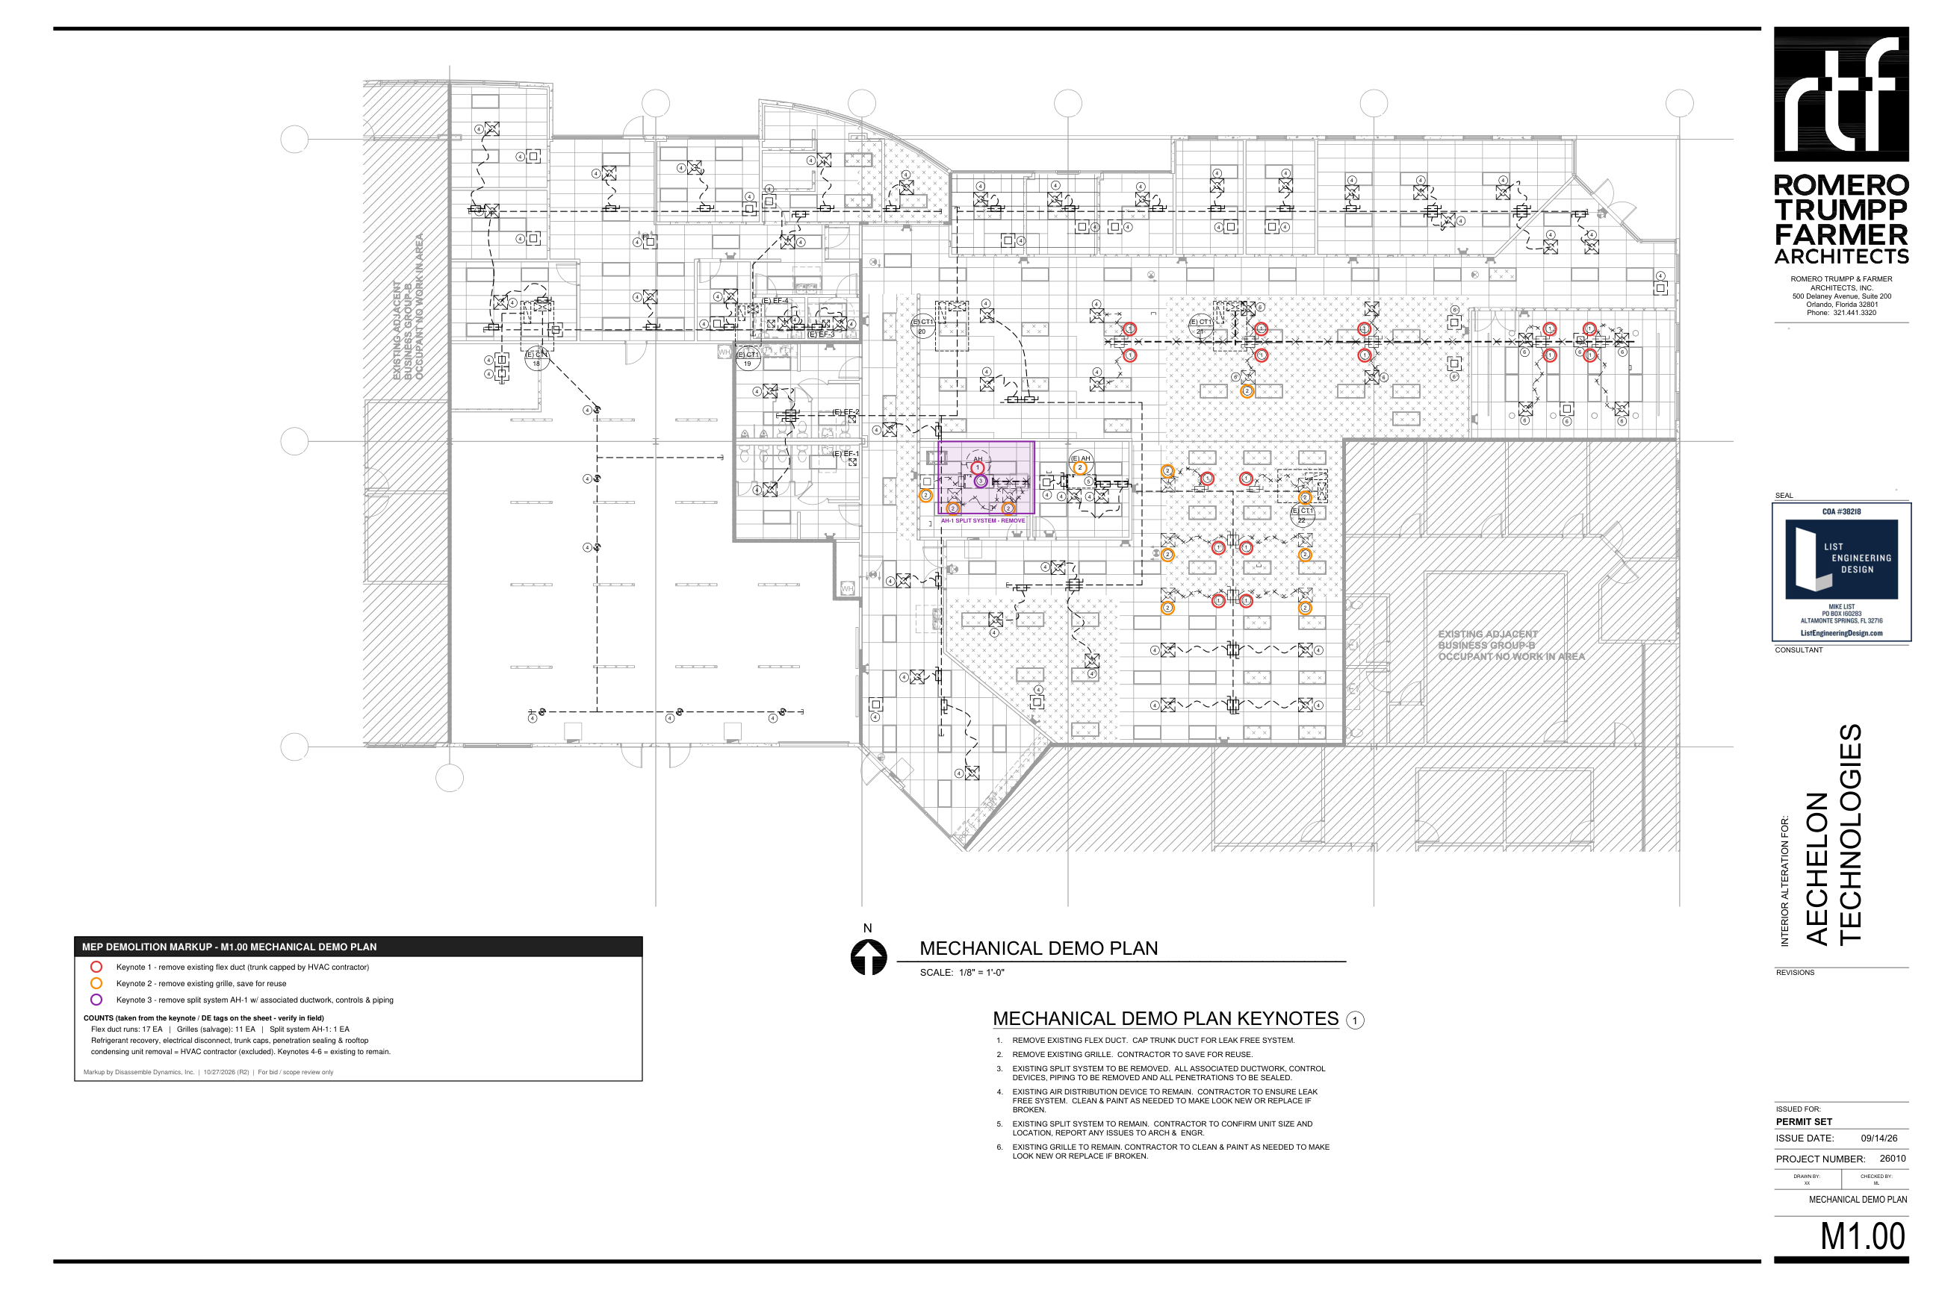
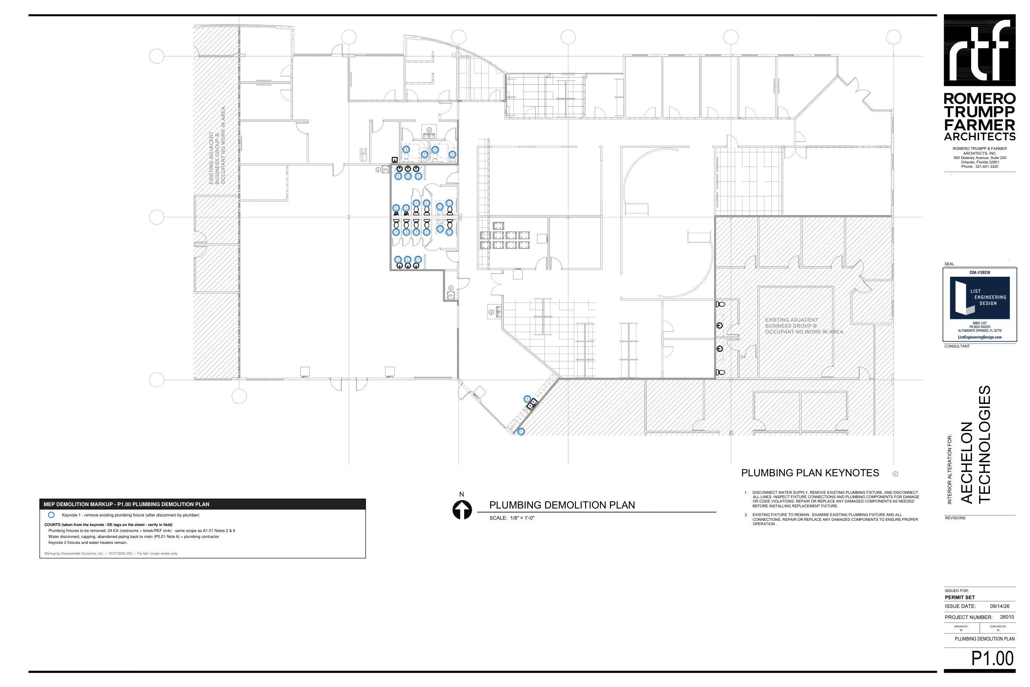
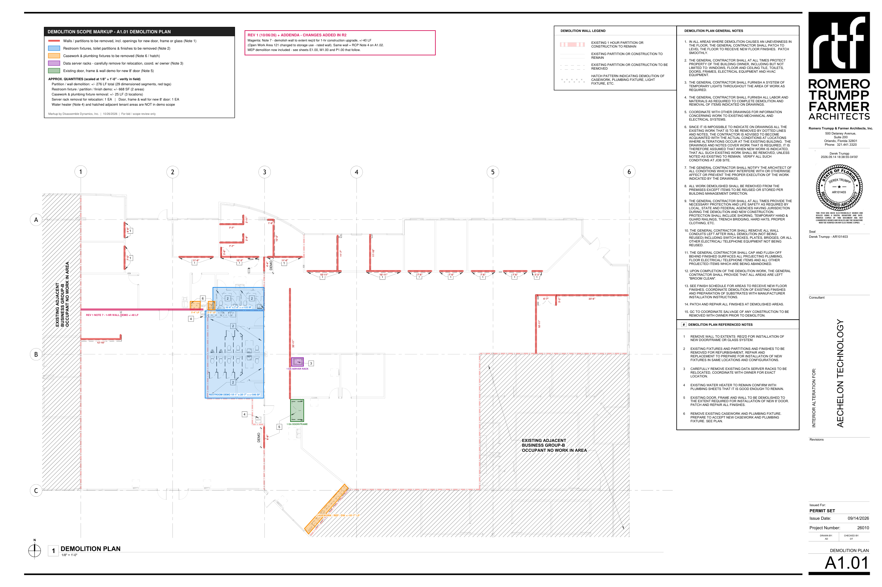
DISASSEMBLE DYNAMICS, INC. - DEMOLITION BID BREAKOUT
Aechelon Technology - 12633 Challenger Parkway, Suite 250/260, Orlando FL 32826 | GC: S.A. Casey Construction (Kelly Lehman) | Romero Trumpp Farmer A1.01 / A1.02 (REV 1 10/06/26), List Engineering E1.00 / M1.00 / P1.00, Addenda #1 & #2
Quantities scaled from A1.01 / A1.02 at 1/8" = 1'-0"; MEP counts from DE / keynote tags on E1.00, M1.00, P1.00 - see markup tabs. Verify in field. |  |  |  |  |  |  |  |  |  |  |  | DEMOLITION MARKUPS - A1.01 / A1.02 (REV 1) + E1.00 / M1.00 / P1.00

# | Description | Ref | Qty | Unit | MH / Unit | MH | Labor $ | Equip / Rental $ | Disposal $ | Other $ | Direct $
BASE BID - ARCHITECTURAL SELECTIVE DEMOLITION (A1.01 / A1.02 REV 1)
D1 | Demo walls at office/corridor fronts for new door/frame or glass system openings, 12 locations (+/-101 LF) | Plan Note 1 | 101 | LF | 0.250 | 25.3 | $631 | - | - | - | $631
D2 | Demo interior partitions shown dashed (+/-175 LF) | A1.01 legend | 175 | LF | 0.250 | 43.8 | $1,094 | - | - | - | $1,094
D3 | Remove restroom plumbing fixtures (22 EA per P1.00), toilet partitions & finishes (after disconnect/cap by plumber), 2 areas | Plan Note 2; P1.00 KN1 | 668 | SF | 0.060 | 40.1 | $1,002 | - | - | - | $1,002
D4 | Carefully remove data server racks and set aside for owner relocation | Plan Note 3 | 1 | EA | 4.000 | 4.0 | $100 | - | - | - | $100
D5 | Remove door, frame & wall for new 8' door | Plan Note 5 | 1 | EA | 4.000 | 4.0 | $100 | - | - | - | $100
D6 | Remove casework & plumbing fixtures incl. REF/DW run and 2 sinks, 3 locations | Plan Note 6; P1.00 KN1 | 25 | LF | 0.400 | 10.0 | $250 | - | - | - | $250
D7 | Remove ceiling grid & tile - carefully remove and store ACT on site for reuse, 9 areas | Ceiling Note 3; RCP Gen. Note 1 | 2,371 | SF | 0.020 | 47.4 | $1,186 | - | - | - | $1,186
D8 | Remove marked light fixtures (61 lay-in / 14 linear pendant) | Ceiling Note 1 | 75 | EA | 0.500 | 37.5 | $938 | - | - | - | $938
D8a | Remove all remaining existing 2x4 fluorescent fixtures for LED swap (moved from Alt 1 to base) | Addendum #2 Item 1; E2.01 | 78 | EA | 0.500 | 39.0 | $975 | - | - | - | $975
D9 | Carefully remove track light (+/-12'-5") and turn over for relocation | Ceiling Note 2 | 1 | EA | 1.500 | 1.5 | $38 | - | - | - | $38
D10 | Demolish wall to extent required for 1-hr construction upgrade (rated wall at former Open Work Area 121) | REV 1 A1.01 Note 7 / A1.02 Note 4 | 40 | LF | 0.300 | 12.0 | $300 | - | - | - | $300
D11 | Salvage coordination, load-out, protection of items to remain, broom clean | Demo Gen. Notes 8, 12, 15 | 1 | LS | 16.000 | 16.0 | $400 | - | - | - | $400
D12 | Ladders / baker scaffold / debris carts | - | 1 | LS | 0.000 | - | - | $300 | - | - | $300
D13 | Consumables - blades, bags, poly, PPE | - | 1 | LS | 0.000 | - | - | - | - | $400 | $400
BASE BID - MEP DEMOLITION (E1.00 / M1.00 / P1.00)
E1 | Remove electrical devices tagged DE (receptacles, data, switches, J-boxes / furniture feeds) incl. box, plate & wiring to nearest J-box | E1.00 Notes 1-3 | 147 | EA | 0.200 | 29.4 | $735 | - | - | - | $735
M1 | Remove existing flex duct (trunk capped by HVAC contractor) | M1.00 KN1 | 17 | EA | 0.350 | 6.0 | $149 | - | - | - | $149
M2 | Carefully remove existing grilles and stage on site for reuse | M1.00 KN2 | 11 | EA | 0.250 | 2.8 | $69 | - | - | - | $69
M3 | Remove split system AH-1 w/ associated ductwork, controls & piping inside suite (after refrigerant recovery & disconnect by others) | M1.00 KN3 | 1 | EA | 12.000 | 12.0 | $300 | - | - | - | $300
D14 | C&D disposal - 30 yd dumpsters | Demo Gen. Note 8 | 5 | PULL | 0.000 | - | - | - | $1,750 | - | $1,750
 | BASE BID - man-hours / crew-days |  |  |  |  | 330.6 | 7
 | Direct cost |  |  |  |  |  |  |  |  |  | $10,715
 | Lodging & per diem |  |  |  |  |  |  |  |  |  | $3,535
 | Contingency |  |  |  |  |  |  |  |  |  | $536
 | Profit ($/crew-day x crew-days) |  |  |  |  |  |  |  |  |  | $7,000
 | BASE BID TOTAL |  |  |  |  |  |  |  |  |  | $21,790

ALTERNATE #1 - CARPET TILE & VINYL BASE REMOVAL FOR NEW LVT (A6.00 FINISH SCHEDULE)
A1.1 | Remove existing carpet tile in office areas receiving LVT-1 (adhesive left in place) | A6.00; Demo Gen. Note 13; site photos | 9,000 | SF | 0.006 | 54.0 | $1,350 | - | - | - | $1,350
A1.2 | Remove existing vinyl wall base in same areas | A6.00 (VB-1) | 1,500 | LF | 0.010 | 15.0 | $375 | - | - | - | $375
A1.3 | C&D disposal | - | 2 | PULL | 0.000 | - | - | - | $700 | - | $700
 | ALT #1 - man-hours / crew-days |  |  |  |  | 69.0 | 2
 | Direct cost |  |  |  |  |  |  |  |  |  | $2,425
 | Lodging & per diem |  |  |  |  |  |  |  |  |  | $1,010
 | Contingency |  |  |  |  |  |  |  |  |  | $121
 | Profit ($/crew-day x crew-days) |  |  |  |  |  |  |  |  |  | $2,000
 | ALT #1 TOTAL |  |  |  |  |  |  |  |  |  | $5,560

 | Unit price - each fluorescent fixture beyond the 153 counted ($/EA) |  |  |  |  |  |  |  |  |  | $45

DEMOLITION BID SUMMARY
 | BASE BID |  |  |  |  |  | 7 |  |  |  | $21,790
 | ALT #1 |  |  |  |  |  | 2 |  |  |  | $5,560
 | Base bid + Alt #1 (if accepted) |  |  |  |  |  |  |  |  |  | $27,350

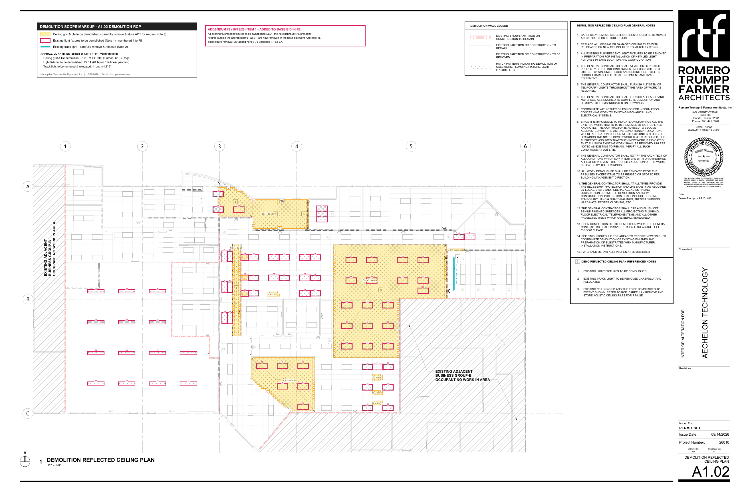
EXPENSE BREAKDOWN BY COST TYPE
 | Section | Labor MH | Labor $ | Equipment $ | Disposal $ | Other / Consumables $ | Lodging & Per Diem $ | Contingency $ | Profit $ | Total $
 | BASE BID | 330.6 | $8,265 | $300 | $1,750 | $400 | $3,535 | $536 | $7,000 | $21,790
 | ALT #1 | 69.0 | $1,725 | - | $700 | - | $1,010 | $121 | $2,000 | $5,560
 | % of base bid |  | 37.9% | 1.4% | 8.0% | 1.8% | 16.2% | 2.5% | 32.1% | 100.0%

